INSTRUCTIONS
INSPECTION RECORD FORM INSTRUCTIONS:

SECTION 1

In the top section of the Inspection record form, enter the date of your inspection, the Purchase Order number, yoiur Company Supplier Code (the 4 to 7 digit supplier code, not the "TA" code.

Enter your company name, your name, your DQN number as may be provided from the Triumph Group site. Method II suppliers a DQN is optional to the Triumph Group Site. Method I suppliers
will have a DQN number provided from the Triumph Group Site. For the stamp, enter the stamp you use to identify your completion of product inspection. Method II suppliers, this may be the
stamp issued to you as an employee of the company you work for. If a Method I supplier, and you are issued a stamp by a Triumph Group Site, enter that stamp ID.

Complete the part number information as requested. If permitted by the Triumph Group Site to sample inspect the lot of parts you received, ensure to identify those parts you select within
your sample so that any product audited can be audited to the same parts you inspected reducing the chance for audit differences between findings of your inspection to that of the auditor.

Ensure to select which Method applies to the inspection being performed.

SECTION 2

Enter the quantity of parts presented in the delivered lot. (Delivered Lot is defined as parts that would be received by the Triumph Group from your company.) Any product inspected by you
that you find as non-conforming and has not been reported as non-conforming by your company shall be considered as a quality control escape to the Triumph Group Site that is receiving
your delivery.

Enter the sample size of your inspection lot. (Note: The inspection record has 100% inspection requirements for the entire lot, such as part marking, gross error checks, but also, a TG Site may
allow for sampling of the entire lot presented for characteristics inspections.

Enter the toltal quantity shipped. It is permissible to ship all accepted hardware if non-conformities are found in the lot and the overinspection of the entire lot finds acceptable parts for
the defect(s) identified.

Enter the shipper number for the shipment being made.

SECTION 3
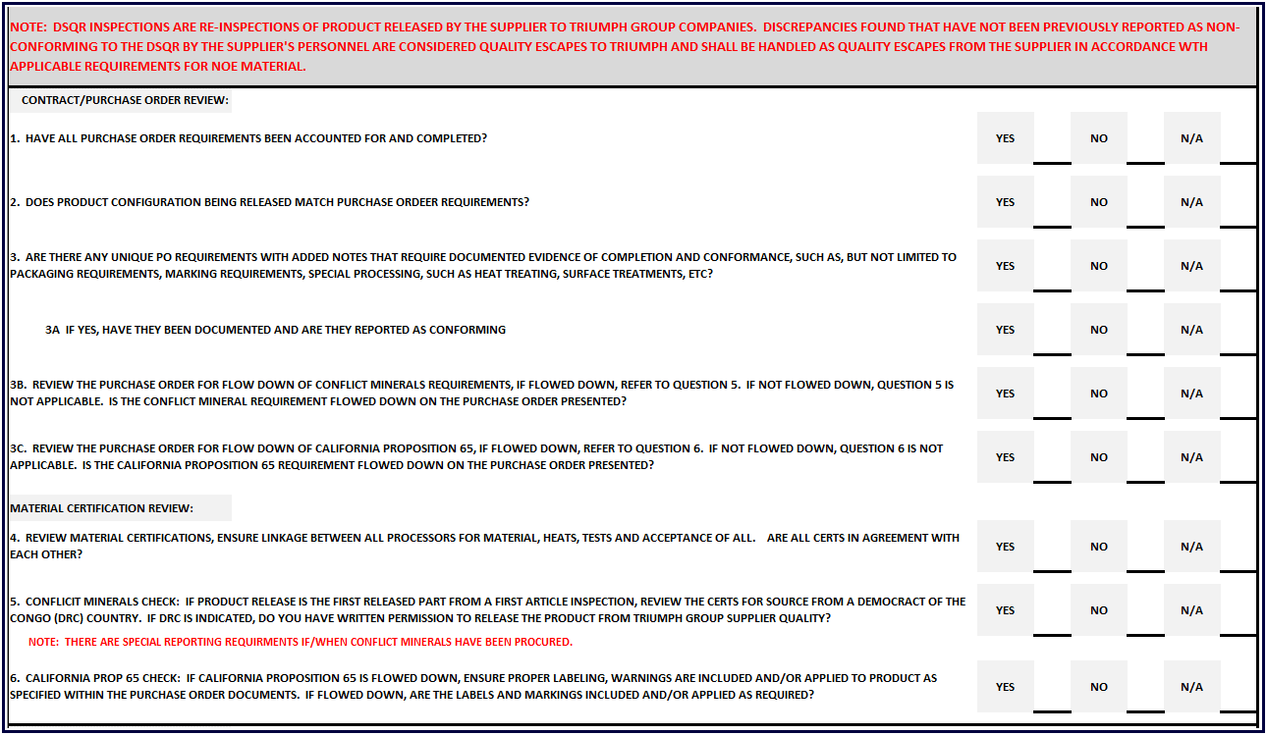

Review the Purchase Order Documents, engineering documents, flow_down required specifications and ensure all have been accounted for within the process travelers, inspection records and
any other validation document supporting the Purchase Order, the Terms and Conditions for product quality and product related deliverables, such as AS913 Variation Management
requirements, AS9102 First Article Requirements, First Part Qualification requirements, etc.

Ensure the product configuration purchase documents and the product match, A general visual for hole quantities, hole locations, bracket installations, bill of materials, etc all should align
with the product description within the PO, Engineering, Specifications flowd down with any special processes included.,

Are there any special process flow downs within the documentation included in the Purchase Order? If so, this requirement wold be a "yes" and if those process require documentation, such
soak times, shelf life time limitations, Flourescent Penetrant Inspections, Mag Particle Inspections, X-Ray, Sonic Inspections, etc, ensure all necessary data is included in associated records
documents.

Ensure there is no evidence of non-conformity within those documents/records.

Conflict Minerals requirements are related to The Dodd–Frank Wall Street Reform and Consumer Protection Act which is a United States federal law that was enacted on July 21, 2010
This requirmeent may be flowed down on various Triumph Group Purchase Orders and/or Terms and Conditions. If this requirement is flowed down, notifications are required to be made
if raw material is procured from a country in the region of the Democratic Republic of the Congo. These materials are tantalum, tin, gold or tungsten. If materials being reviewed do not
contain these materials, this requirement is Not Applicable. If the raw material does contain this material, a country review is required and if a country is located in the DRC, then notifications
are required to be made by Triumph Group in most situations. If applicable, notify your Triumph Group Site Supplier Quality Group for instruction, and record your findings on the inspection
record.

Proposition 65 is a California law known as the Safe Drinking Water and Toxic Enforcement Act of 1986. There are warning labels and marking requirements when flowed down on Purchase
Orders or Contract Terms and Conditions. The list of chemicals is constantly being updated and the requirement applies to any/all product entering the state of California. Since the Triumph Group
nor our suppliers do not know what product(s) may end up in the state of California, it becomes necessary to ensure products delivered conform to the California Law when requirements are flowed
down on Purchase Orders or Contract Terms and Conditions.

If applicable, a review of materials is required and if the material is included in the Proposition 65 List of materials, labeling and part markings are required. For a list of the latest chemicals
click here: | CALIFORNIA PROPOSITION 65 LIST

If applicable, ensure to document accordingly as called for within the inspection report and if your product requires the labels or markings, ensure the markings/labels exist and are included
in your review.

SECTION 4

The production process review is to ensure all processes have been completed in accordance with the defined and controlled process plans/manufacturing plans. Ensure all operations have
been completed in accordance with the defined plan. Where signatures/sign-offs are required, validate the sign-off(s). For processes that may be performed out-of-sequence, ensure proper
documentation exists permitting out-of-sequence processing. For frozen processes, ensure no process changes have been made to the frozen process without approved signatures/sign-offs
In some cases, the sign-off can be from the applicable Triumpg Group site personnel, in other cases, sign-off/approvals may have to come from the customer of Triumph Group.

If the current inspection you are performing is for an initial First Article or Delta First Article, ensure the First Article documentation is complete and has been signed as completed by the
supplier and that Triumph Group customer acceptance is documented. This may involve reviewing Net-Inspect records. For product received for sourcing that the FAI is completed, validate
the record on file is the latest record available. DO NOT SOURCE ANY PRODUCT YOU DO NOT HAVE A VALIDATED/ACCEPTED/SIGNED First Article record of.

SECTION 5
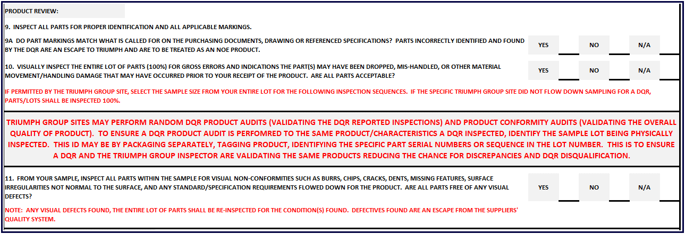

All parts presented shall be inspected 100% for proper part markings as called for on drawings, specifications, engineering documents or Purchase Order

A 100% Gross Error check shall be done on all product presented to ensure the product has not been damaged in any way that may have been caused by dropping, poor storage, transporation
damage, etc. Product received damaged would qualify as an escape from the Supplier's Quality Control processes particularly since product is being inspected on-site at the source of
product manufacturing.

If permitted by the Triumph Group ordering the product that a lot of parts received for DQR over-inspection may be sampled, pull your sample in accordance with the requirements from the
Triumph Group Supplier Quality Group.

CAUTION: It is not required becausse circumstances may create a conformity problem, however it is strogly recommended when sampling of characteristic inspection is permitted, that you
identify the parts you physically inspect as ALL shipments by you are subject to random auditing for product characteristics and all listed requirements on the inspection record.

To avoid disagreements between Triumph Group auditing personnel and you, the DQR, ensuring product you inspect is the same product that the Triumph Auditor will inspect will help
reduce chances of error.

SECTION 6
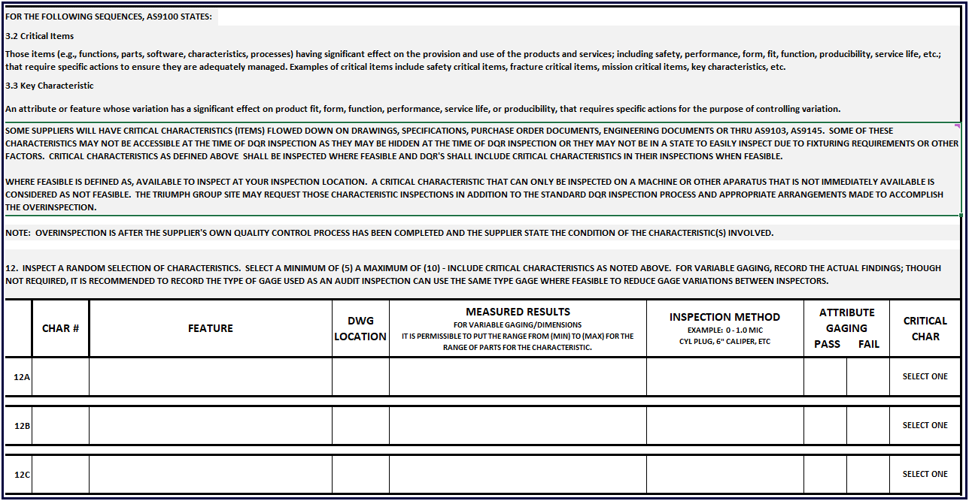

CRITICAL ITEMS:
Critical Items pose higher risk to Triumph and/or Triumph Group's customer and/or the End Use Customer of products with these characteristics; therefore higher overisight is expected.

Review the drawings, specifications, engineering documents for any Critical Characteristics, Flight Safety Characteristics, Fracture Critical, Mission Critical, etc as called for in the drop
down box under "Critical Characteristics" Method II Suppliers should not have any critical characteristics other than Key Characteristics, Key Process Characateristics as may be called out
from implementing AS9103 Variation Management or AS9145 APQP & PPAP REQUIREMENTS FOR THE AEROSPACE and DEFENSE INDUSTRY. If you are a Method II supplier and you come across
a Flight Safety, Fracture Critical, Mssion Crtical, etc type characteristic, notify the applicable Supplier Quality Engineering team to investigate the feature as the Triumph Flow-down may be
in error, the requierment may be in error, or the Method Assignment to your supplier DPRV program may be in error.

Ensure to capture these features first and ensure to record your findings accordingly.

Enter the Characateristic Number: (The Characteristic Number shall be the Ballooned Characteristic Number as called for from the FAI Characteristic Identification requirements. This
characateristic number shall not change from the FAI identifier for any characteristic reported.

Insert the Characteristic Feature as called for from the engineering drawing or specification. It is recommended to record the feature description the same as called for in the drawing or
specification to reduce the chance for misinterpretation by other personnel.

Provide the Drawing Location, in this format D6-SH-1

Measured Results: For Variable gaging, enter the results of your measurements. It is permissible, to enter "varies from/to" for all parts in the lot or for the characteristic itself.
Example" .250 to .260 dia holes, (20) places varies .251 to .259. or .250 - .260 dia hole varies from .251 to .253 (for the lot you inspected.)

Inspection Method: The inspection method field is for you to enter the gaging you used to measure the feature. The primary reason for this is to reduce variation between you and the
Triumph Group auditor should your part(s) be randomly selected for a Product Review. The Product Review Audit is an audit on your reporting of your inspection findings, it is not an audit
of the product quality; however a Product Audit can extend beyond your reported findings to become a product quality check vs. a DQR Audit on product reporting. It may be used for both
purposes, however the audit of the DQR process can only relate to features/characteristics, process/document validations you performed and documented.

For Attribute Gaging, enter the inspection method but for inspection results, select either Pass or Fail.
NOTE: A supplier's quality control system can pass to you non-conforming material; however ANY non-conforming material passed to you shall be documented from the supplier PRIOR to
your receiving it and inspecting it. If it is not documented, it is considered and ESCAPE to the Triumph Group Customer who ordered the product(s).

SECTIOIN 6 CRITICAL DIMENSIONS
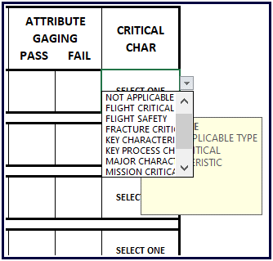

 |  | CHOICES FOR CRITICAL CHARACTERISTICS
 |  | ● | NOT APPLICABLE
 |  | ● | FLIGHT CRITICAL
 |  | ● | FLIGHT SAFETY
 |  | ● | FRACTURE CRITICAL
 |  | ● | KEY CHARACTERISTIC
 |  | ● | KEY PROCESS CHARACTERISTIC
 |  | ● | MAJOR CHARACTERISTIC
 |  | ● | MISSION CRITICAL
 |  | ● | DESIGN CRITICAL
 |  | ● | MAINTENANCE CRITICAL

For Crtiical Dimensions, select the Drop Down Box and Select the applicable dimension type. If the feature is not a critical dimension, select NOT APPLICABLE.

SECTION 6 STANDARD INSPECTIONS
For the remainder of the inspection of characteristics, a minimum of 5 characteristics shall be inspected up to 10 characteristics.

Select a random scattering of characteristics from various places on the product received. Inspect the sample size as permitted from the Triumph Group Site.
For each part in the sample taken, measure your chosen characteristics on ALL parts within the lot.

FOR ANY discrepancy found that has NOT been repored within the Supplier's own inspection records, 100% inspection of the entire lot shall be inspected, no sampling permitted.

Variation in readings between the DQR and the suppliers inspection reports shall be handled as follows:

Within 10% of reported results from the Supplier's quality control to your over-inspection, nothing further needs to be done.

For discrepancies from 10% to 25% of reported results to your results, notify the Triumph Group Supplier Quality Group for their awareness. Notify the supplier Quality
Management team to investigate the cause fo the discrepancy. Consideration of Gage R & R and analsyis performed of the results to determine the cause of the variation.

For discrepancies greater than 25%; these shall be considered as quality escapes from the suppliers quality system and processed as an escape to the applicable Triumph
Group site. Contact the Triumph Group Supplier Quality Program and process a Non-Conforming product report per the Triumph Group Site established processes.,

SECTION 7 NON-CONFOMRING PRODUCT - NEXT 3 LOTS
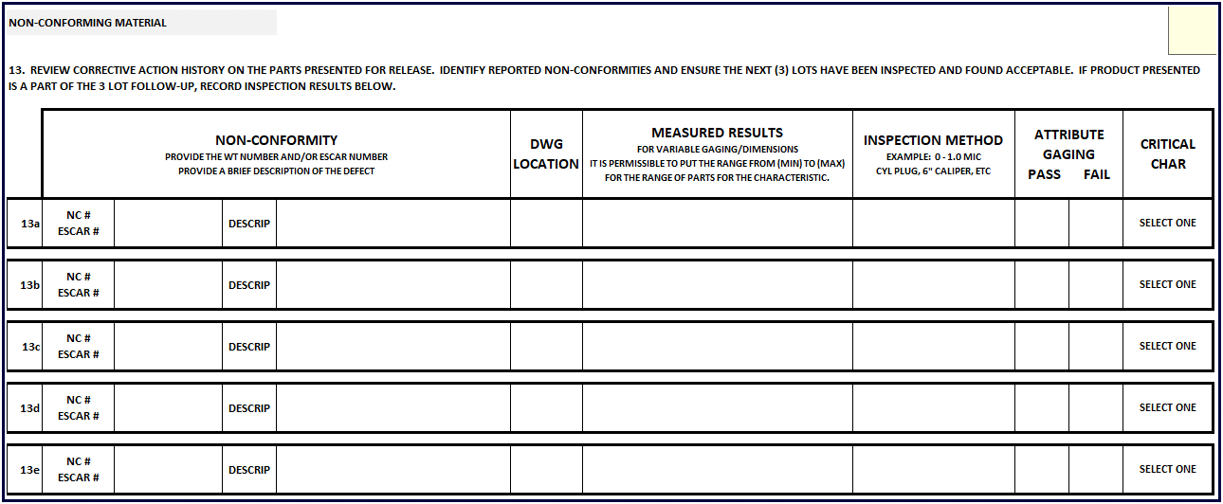

THIS SECTION APPLIES ONLY IF THERE IS CURRENT (RECENT) HISTORY OF NON-CONFORMITIES.
If a product has been identified as non-conforming and a corrective action put into place, complete this section for the next (3) lots presented AFTER the corrective action has been put in place,
It is expected that NO non-conformities will be found after corrective action has been put into place, and this section is designed to verify the effectiveness of the corrective action.

Enter the Non-Conformance Number and/or the ESCAR number provided from the Triumph Corrective Action system according the the Site Specific requirements/naming conventions.

Enter the description of the non-conformity. Rule of thumb: State the requirement, Word for Word - then state how much the requirement deviates.

Provide the Drawing Location, in this format D6-SH-1

Measured Results: For Variable gaging, enter the results of your measurements. It is permissible, to enter "varies from/to" for all parts in the lot or for the characteristic itself.
Example" .250 to .260 dia holes, (20) places varies .251 to .259. or .250 - .260 dia hole varies from .251 to .253 (for the lot you inspected.)

Inspection Method: The inspection method field is for you to enter the gaging you used to measure the feature. The primary reason for this is to reduce variation between you and the
Triumph Group auditor should your part(s) be randomly selected for a Product Review. The Product Review Audit is an audit on your reporting of your inspection findings, it is not an audit
of the product quality; however a Product Audit can extend beyond your reported findings to become a product quality check vs. a DQR Audit on product reporting. It may be used for both
purposes, however the audit of the DQR process can only relate to features/characteristics, process/document validations you performed and documented.

For Attribute Gaging, enter the inspection method but for inspection results, select either Pass or Fail.

Follow the requirements of Section 6 for Critical Characteristic Designators.

SECTION 8 - REWORKED - REPAIRED PRODUCT
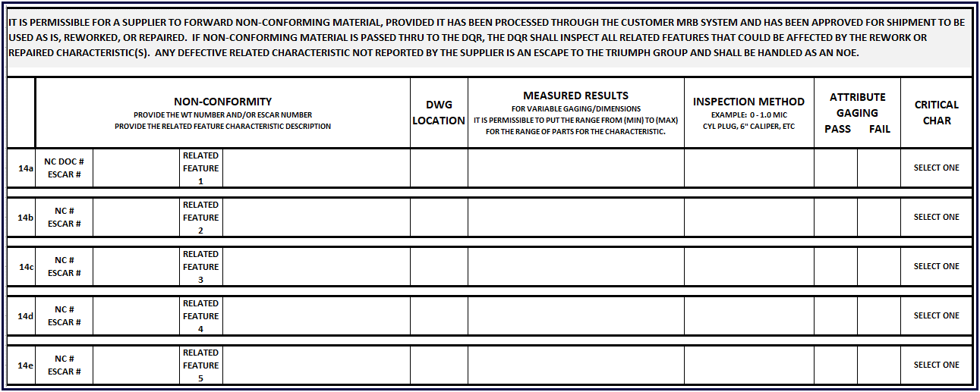

For this section, if a product is forwarded to you for release and the product was reworked or repaired, you shall inspect the related features to the discrepance THAT COULD HAVE BEEN AFFECTED
BY THE REPAIR. Follow the same requirments for completing the inspection information.

Enter the NC document number and/or the ESCAR number. Record what the related feature is, the drawing location as defined above, the measure results, the method of inspection and if ana
attribute gage, the pass/fail results. Complete the Crtical Characteristic as applicable.

If additional lines are necessary, complete a second inspection record ensuring to keep the records together.

SECTION 9 SHIPPING VALIDATION

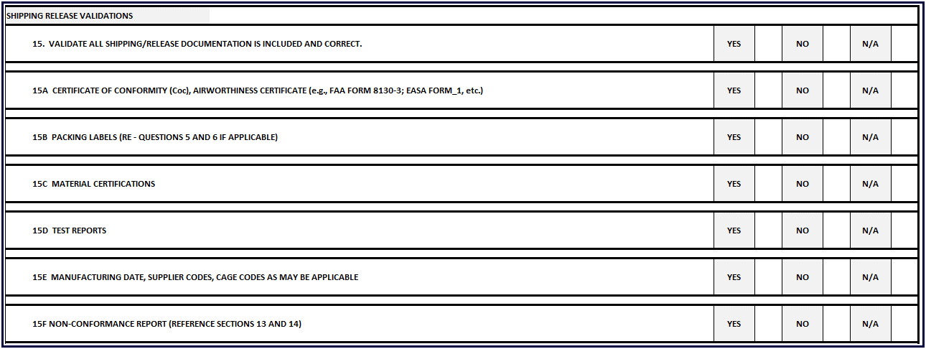

For this section, you are validating that the requirements are included with your shipping papers. Select YES if they are, Select NO if they are not and N/A if they are not applicable.
For any item(s) marked NO, these would be considered an escape from the suppliers Quality Control system.

SECTION 10 NOTES/COMMENTS

Provide any notes or comments for the inspection performed. If references are to be made to an email, ensure to record the date, time stamp of the email and the participant names within the
email.

Add any comments related to non-conformities found ensuring that any corrective action ticket information is provided.

SECTION 11 - SIGN OFF

Print you name in the applicable field.

Enter the date accepted.

For Method I Suppliers, you will need to print this form, then enter your Triumph Group Site issued Stamp Symbol in the appropriate block. Sign the form with your signature.
For those Method I suppliers that only a Delegated Quality Number was issued and no stamp issued, enter your DQN Number provided you.

For Method II Suppliers.
Some Triumph Group Sites may issue DQN Numbers to DQRs. These numbers are provided for data extraction information in place of the DQR's name. If you are issued a DQN from a Triumph
Group Site, enter the DQN number in the Stamp/DQN Number. If you have not been issued a DQN number from the Triumph Group Site, enter your authorized stamp from your company's
issued idenfication method for your personal acceptance of product.

For Triumph Group sites that require shipment of the inspection record, you shall print the this record and sign it accordingly and forward it along with your shipping documents.

If your product is selected for a product audit, you may be requested to send this record before you receive the parts for inspection. If this happens, ensure to print a copy, sign the form as
required and include it in your shipping papers.

If a Random Audit is requested, these will occur AFTER you sourced the parts and they are received at the Triumph Group Site. Upon request from the Triumph Group Site, ensure to forward a
completed and signed document with the information called for in this section.

Should you have any questions, contact your Supplier Quality Group team from the applicable Triumph Group Site.

